Sheet1
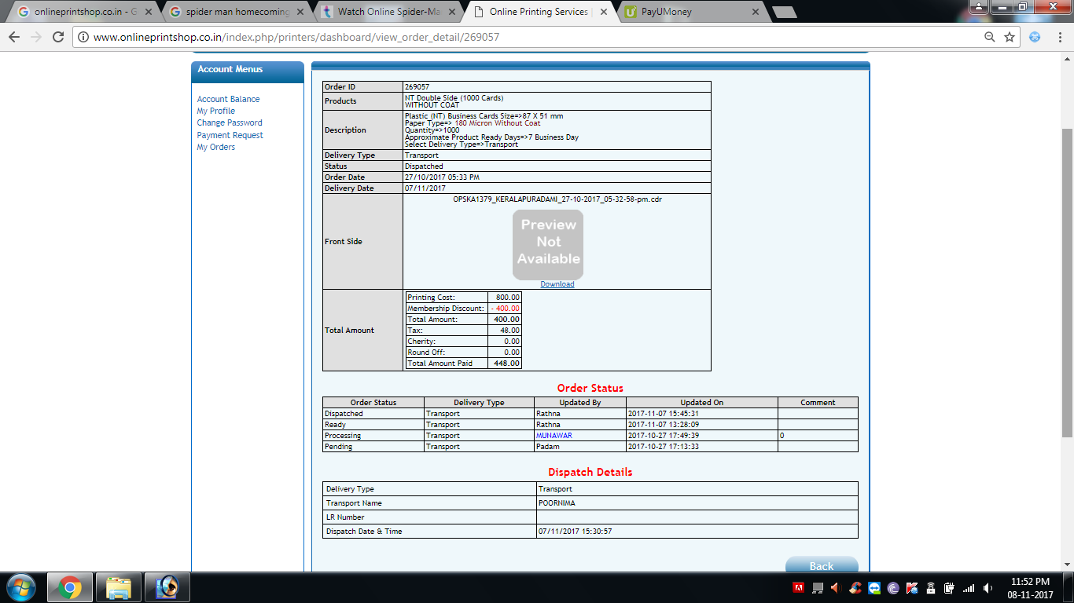
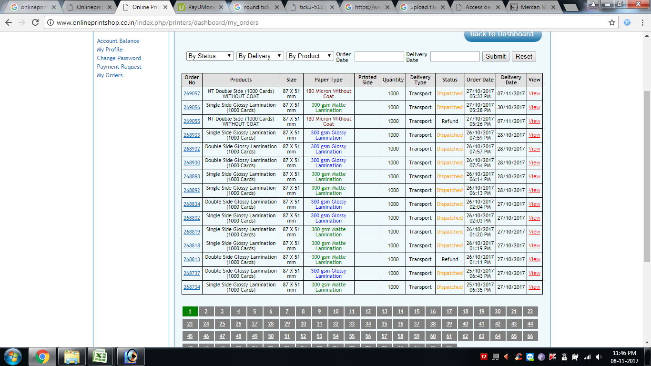
 |  | Server

 | Offline |  | Online
1 | Employees who takes order |  | Customers ( Clients )
2 | Designer who take order
3 | Super Admin ( Manager )
4 | Accountant
5 | Admin
6 | Printer

 | Who can create id
1 | Credit Customers | compnay will create
2 | Cash Customer | they can do themselves

 | Who can place order
1 | Customer
2 | Order Support
3 | Designer

 | Flow of order

1 | order placed
2 | Manager Login
3 | assign to printers
4 | Printers login
5 | pending orders
6 | start / Complete
7 | dispatch

 | Types of customers
1 | Credit Based Cutomers
2 | Cash Customers

1 | Landing Page
 | Home
 | Login Button
 | Search Bar
 | Cart logo
 | Contact number
 | Categories
 |  | Solvent Print
 |  | Ecol Solvent Print
 |  | UV Print Roll
 |  | UV Print Flat
 |  | Digital Prints

 |  | Solvent Print ( 6000 - 6199 )
 |  |  | 6000 | Sol Frontlit Flex 180
 |  |  | 6001 | Sol Ministar Flex
 |  |  | 6002 | Sol BigStar Flex
 |  |  | 6003 | Sol Backtlit Standard
 |  |  | 6004 | Sol Backlit Luxury
 |  |  | 6005 | Sol Backlit Star
 |  |  | 6006 | Sol Vinyl Standard
 |  |  | 6007 | Sol Vinyl Black Back

 |  | Eco Solvent Print ( 6200 - 6399 )
 |  |  | 6200 | Eco-Sol Fonrlit Flex

 |  | UV Print Roll
 |  |  | 6400

 |  | UV Print Flat
 |  |  | 6600

 |  | Digital Print
 |  |  | 6800

 | Product landing page
 |  | 6000 | Sol Frontlit Flex 180
 |  |  |  |  |  |  |  |  | date
 |  | Product Picture
 |  | Product Video

 |  |  | Height | units | Width | units | qty | Total sqft | Project name | Link / Upload | eyelets
 |  | 1 | 2 | f | 4 | f | 1 | 8 sqft | infosys |  | metal/plastic/None
 |  | 2 | 4 | f | 5 | f | 2 | 40sqft | Infosys |  | metal/plastic/None
 |  | + for adding more

 |  | Delivery | Self Pickup
 |  |  | Door Delivery
 |  |  | Courier To Pay Basis ( Out of Mysore )
 |  |  | Transprot ( Out of Mysore )

 |  | Notes | For Processing
 |  |  |  | rate | value
 |  | Total sqft | 48sqft | 6 | 288
 |  | eyelets | 4 | 1 | 4
 |  | Door delivery Charges |  |  | 50
 |  | CGST /SGST / IGST |  |  | 342

 |  | accept terms and conditions

 |  | Place order

 |  | Product Suggestion

 | Client
1 | for placing order
2 | login
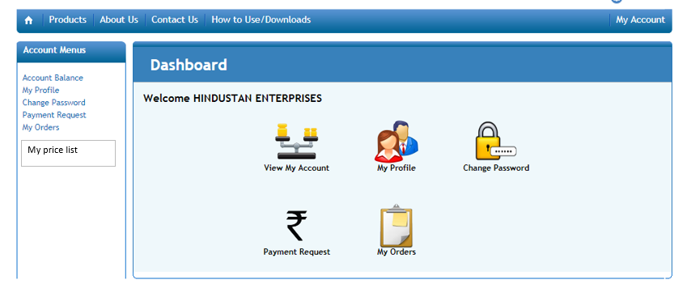
3

 |  |  |  |  |  |  |  |  |  |  |  | 1 | Place Order
 |  |  |  |  |  |  |  |  |  |  |  | 2 | Track order
 |  |  |  |  |  |  |  |  |  |  |  | 3 | Accont Balance
 |  |  |  |  |  |  |  |  |  |  |  | 4 | Payment Request
 |  |  |  |  |  |  |  |  |  |  |  | 5 | My Orders
 |  |  |  |  |  |  |  |  |  |  |  | 6 | My Price List
 |  |  |  |  |  |  |  |  |  |  |  | 7 | My Profile
 |  |  |  |  |  |  |  |  |  |  |  | 8 | Your Wishlist
 |  |  |  |  |  |  |  |  |  |  |  | 9 | Membership

 | payment page for Credit client

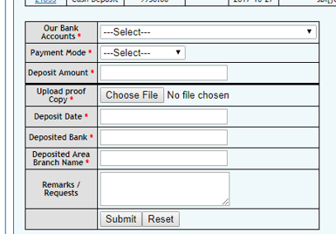
 | account number
 | upi phone number
 | upi qr coe

 | uploade document

 | payment history
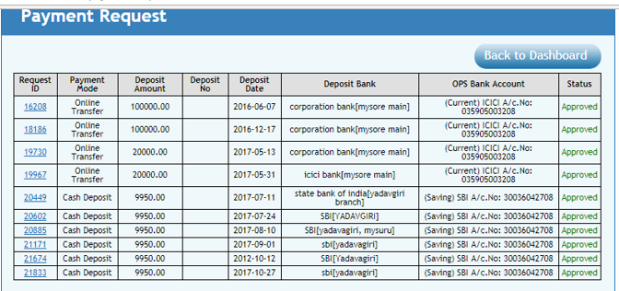

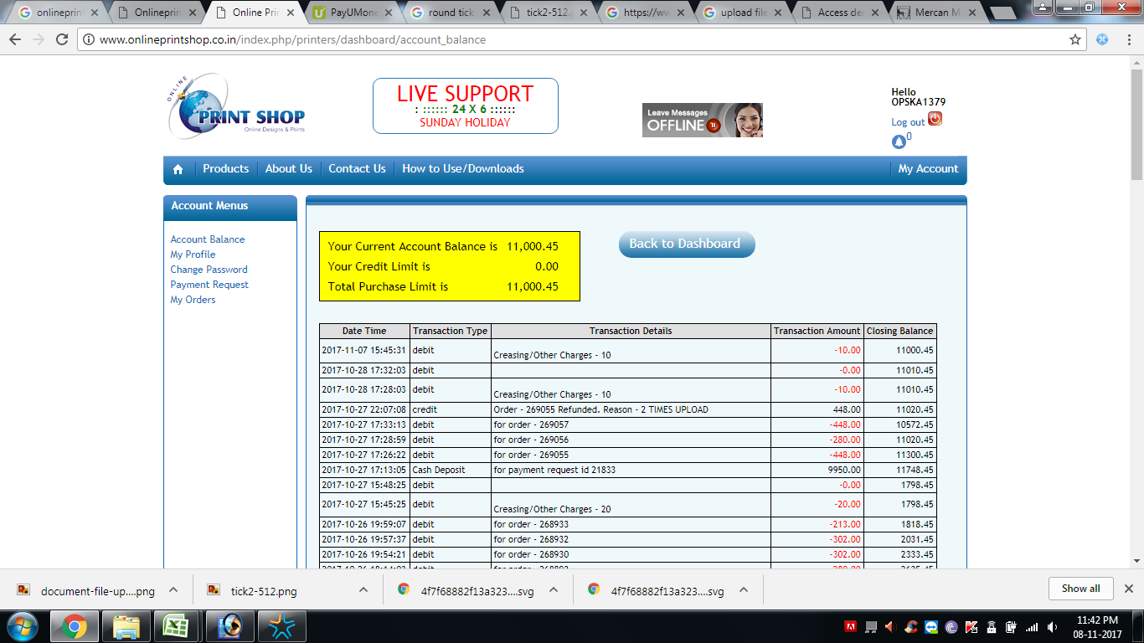

 |  | account balance for credit client

 |  | date | type of transaction | order | debit | credit | balance
 |  | 2026-04-10 | sales | 1234 | 342 |  | 342
 |  | 2026-04-11 | sales | 1235 | 546 |  | 888
 |  | 2026-04-12 | sales | 1236 | 658 |  | 1546
 |  | 2026-04-13 | sales | 1237 | 758 |  | 2304
 |  | 2026-04-14 | receipt |  |  | 1000 | 1304
 |  |  |  |  |  |  | 1304

